Job Details

Job Number & Name: | 22296 Milton Road
Site Number/Name: | Milton Road
Client: | Cambridgeshire CC
Date: | 2019-07-18
Weather: | AM - wet, PM - cloudy and dry
Comments: | none

Site Plan
Advanced Transport Research |  |  | Job Number & Name: | 22296 Milton Road
Milton Road |  |  | Date: | 2019-07-18

Job Type: | Link Count
Co-ordinates: | 52°13'13.71"N, 0° 8'2.08"E | Postcode: | CB4 1LG |  | Times: | 0700-1900

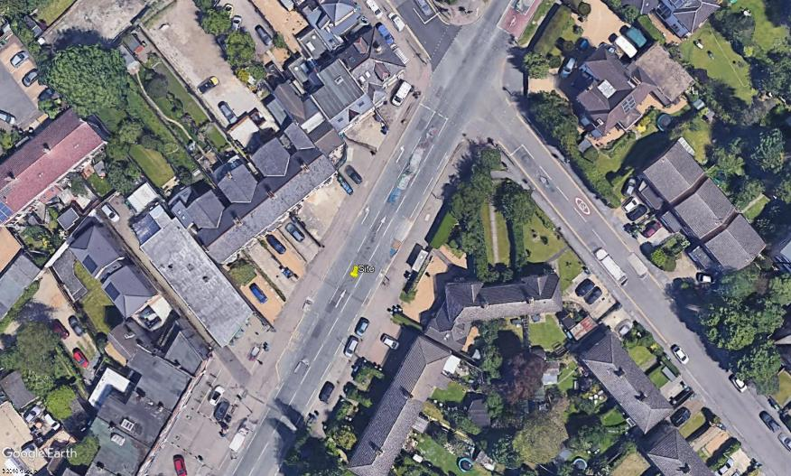
N

B

A
View 1 & 2

Union Lane

Milton Road

